LOT # 2 (Shelter Kit)
LOT # 2 : APPENDIX - 2 - SHELTER KIT

S. No. | Description | Unit | Qty | Kits | Total Qty | Unit Price(NGN) | Total Price (NGN)
1 | 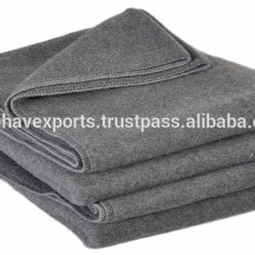 Blanket impregnated 100% Polyester, Size: 1.5 x 1.8 meter, single layer, gray color, best quality | Piece | 6 | 500 | 3000 |  | -
2 | Plastic Sheet, Size: 4 x 6 meter, best quality | Piece | 2 | 500 | 1000 |  | -
3 | Mosquito net, Permanet 3.0 | Piece | 3 | 500 | 1500 |  | -
4 | Pagne, 1.5 YARD | Piece | 2 | 500 | 1000 |  | -
5 | Rope, 20 metres, Size 16mm2 | Piece | 1 | 500 | 500 |  | -
6 | Aquatab - Chlorine (with minimum shelf life of 3 years) | Tablet | 50 | 500 | 25000 |  | -
Grand Total ( inclusive of Transportation & WHT) |  |  |  |  |  |  | -

LOT # 3 (HWT Kit)
LOT # 3 : APPENDIX - 3 - HWT KIT

S. No. | Description | Unit | Qty | Kits | Total Qty | Unit Price(NGN) | Total Price (NGN)
1 | Plastic Jerry Can, Capacity 20 Liters (in two different colors), with screw Cap, best quality | Piece | 2 | 500 | 1000 |  | -
2 | Plastic Bucket with Lid & handle, Capacity 20-Liters (in one color), durable, best quality | Piece | 1 | 500 | 500 |  | -
3 | Funnel, Dimension: Diamèter 200 et 25 mn | Piece | 1 | 500 | 500 |  | -
4 | Piece of Fabric (for filtering), Cotton Fabric, best quality | Piece | 1 | 500 | 500 |  | -
5 | 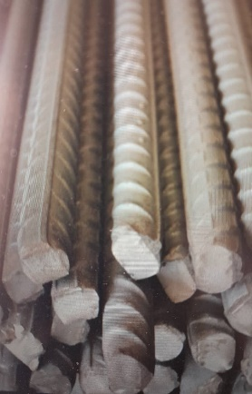 Iron Rod (60 cm), Galvaniz | Piece | 1 | 500 | 500 |  | -
6 | Plastic mat, local made - Nigeria, Size: 3 x 2 meters, best quality | Piece | 1 | 500 | 500 |  | -
7 | Plastic mat, local made - Nigeria, Size: 2 x 1 meters, best quality | Piece | 1 | 500 | 500 |  | -
 | Grand Total ( inclusive of Transportation & WHT) |  |  |  |  |  | -

